01
实现：

1、使用OD打开一个发布版的exe程序，定位到某个DLL的API

2、在没有加载的EXE中找到这个位置，观察加载前后的区别

导入表结构：

typedef struct _IMAGE_IMPORT_DESCRIPTOR {
union {
DWORD Characteristics;
DWORD OriginalFirstThunk; |  |  |  |  |  | //RVA 指向IMAGE_THUNK_DATA结构数组 |  |  | INT 导入名称表
};
DWORD TimeDateStamp; |  |  |  |  |  | //时间戳 用于判断是否绑定导入表(0 未绑定，0xffffffff 已绑定)
DWORD ForwarderChain;
DWORD Name; |  |  |  |  |  | //RVA,指向dll名字，该名字已0结尾
DWORD FirstThunk; |  |  |  |  |  | //RVA,指向IMAGE_THUNK_DATA结构数组 |  |  | IAT 导入地址表
} IMAGE_IMPORT_DESCRIPTOR;
typedef IMAGE_IMPORT_DESCRIPTOR UNALIGNED *PIMAGE_IMPORT_DESCRIPTOR;

PE文件加载前：

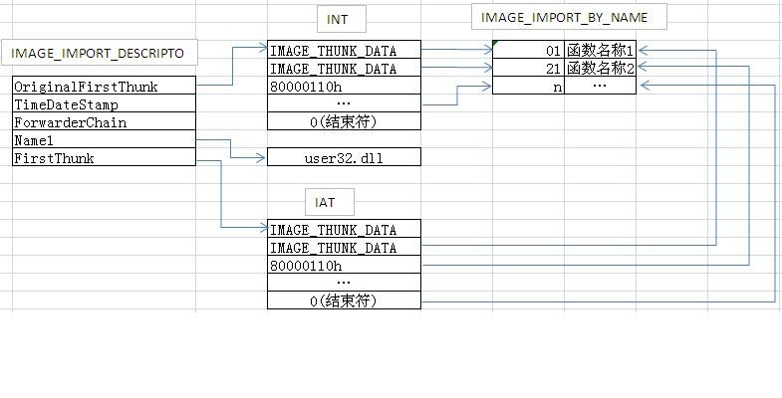

 |  |  |  |  |  |  |  |  |  |  | IAT在加载前，同INT一样内容
 |  |  |  |  |  |  |  |  |  |  | IAT在加载后，值被修改为函数地址
 |  |  |  |  |  |  |  |  |  |  | exe使用的dll函数，都在IAT中

PE文件加载后：

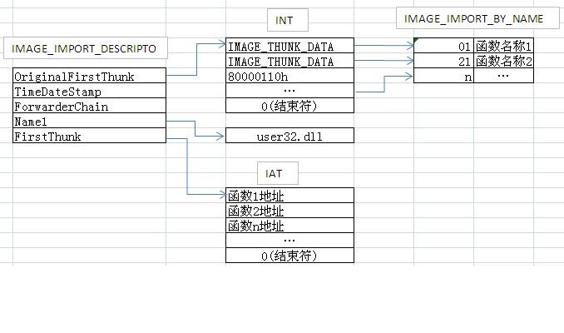
 |  |  |  |  |  |  |  |  | GetProcAddr()

typedef struct _IMAGE_THUNK_DATA32 {
union {
PBYTE ForwarderString;
PDWORD Function;
DWORD Ordinal; |  |  |  |  |  | //序号
PIMAGE_IMPORT_BY_NAME AddressOfData; |  |  |  |  |  | //指向IMAGE_IMPORT_BY_NAME
} u1;
} IMAGE_THUNK_DATA32;
typedef IMAGE_THUNK_DATA32 * PIMAGE_THUNK_DATA32;

typedef struct _IMAGE_IMPORT_BY_NAME {
WORD Hint; |  |  |  |  |  | //可能为空，编译器决定 如果不为空 是函数在导出表中的索引
BYTE Name[1]; |  |  |  |  |  | //函数名称，以0结尾
} IMAGE_IMPORT_BY_NAME, *PIMAGE_IMPORT_BY_NAME;

输出导入表的过程：

1、定位导入表：

 | 目录项目的第2个结构就是导入表

 | typedef struct _IMAGE_DATA_DIRECTORY {
 | DWORD VirtualAddress; |  |  |  |  | //RVA 指向导入表结构
 | DWORD Size;
 | } IMAGE_DATA_DIRECTORY, *PIMAGE_DATA_DIRECTORY;

 |  | 将RVA转换成FOA

 | typedef struct _IMAGE_IMPORT_DESCRIPTOR {
 | union {
 | DWORD Characteristics;
 | DWORD OriginalFirstThunk; |  |  |  | // INT
 | };
 | DWORD TimeDateStamp;
 | DWORD ForwarderChain;
 | DWORD Name; |  |  |  | // Dll名字
 | DWORD FirstThunk; |  |  |  | // IAT
 | } IMAGE_IMPORT_DESCRIPTOR;
 | typedef IMAGE_IMPORT_DESCRIPTOR UNALIGNED *PIMAGE_IMPORT_DESCRIPTOR;

 | ......
 | ......
 | sizeOf(IMAGE_IMPORT_DESCRIPTOR) 个 0 代表导入表结束

2、输出DLL名字

 | typedef struct _IMAGE_IMPORT_DESCRIPTOR {
 | union {
 | DWORD Characteristics;
 | DWORD OriginalFirstThunk;
 | };
 | DWORD TimeDateStamp;
 | DWORD ForwarderChain;
 | DWORD Name; |  |  |  | RVA 指向一个以0结尾的字符串 是DLL的名字
 | DWORD FirstThunk;
 | } IMAGE_IMPORT_DESCRIPTOR;
 | typedef IMAGE_IMPORT_DESCRIPTOR UNALIGNED *PIMAGE_IMPORT_DESCRIPTOR;

3、遍历OriginalFirstThunk

OriginalFirstThunk |  |  |  | IMAGE_THUNK_DATA32 |  |  | 判断最高位是否为1 如果时 那么除去最高位的值
 |  |  |  | IMAGE_THUNK_DATA32 |  |  | 就是函数的导出序号
 |  |  |  | IMAGE_THUNK_DATA32
 |  |  |  | IMAGE_THUNK_DATA32 |  |  | 如果不是，那么这个值是一个RVA 指向
 |  |  |  | IMAGE_THUNK_DATA32 |  |  | IMAGE_IMPORT_BY_NAME
 |  |  |  | IMAGE_THUNK_DATA32 |  |  |  |  |  | 10
 |  |  |  | .. |  |  |  | GetProcAddr(m,函数的名字或者导出序号);
 |  |  |  | ..
 |  |  |  | .. |  |  | IMAGE_IMPORT_BY_NAME
 |  |  |  | .. |  |  | HIT | NAME
 |  |  |  | ..
 |  |  |  | ..
 |  |  |  | 00000000000000000 |  |  | typedef struct _IMAGE_IMPORT_BY_NAME {
 |  |  |  |  |  |  | WORD Hint;
 |  |  |  | IMAGE_THUNK_DATA32 |  |  | BYTE Name[1];
 |  |  |  | 结构数组 以0结尾 |  |  | } IMAGE_IMPORT_BY_NAME, *PIMAGE_IMPORT_BY_NAME;
 |  |  |  | 宽度4字节
 |  |  |  |  |  |  | HIT 2字节

 |  |  |  |  |  |  | NAME 长度不定 以'\0'结尾

4、遍历FirstThunk

FirstThunk |  |  |  | IMAGE_THUNK_DATA32 |  |  | 判断最高位是否为1 如果时 那么除去最高位的值
 |  |  |  | IMAGE_THUNK_DATA32 |  |  | 就是函数的导出序号
 |  |  |  | IMAGE_THUNK_DATA32
 |  |  |  | IMAGE_THUNK_DATA32 |  |  | 如果不是，那么这个值是一个RVA 指向
 |  |  |  | IMAGE_THUNK_DATA32 |  |  | IMAGE_IMPORT_BY_NAME
 |  |  |  | IMAGE_THUNK_DATA32
 |  |  |  | ..
 |  |  |  | ..
 |  |  |  | .. |  |  | IMAGE_IMPORT_BY_NAME
 |  |  |  | .. |  |  | HIT | NAME
 |  |  |  | ..
 |  |  |  | ..
 |  |  |  | 00000000000000000

 |  |  |  | IMAGE_THUNK_DATA32
 |  |  |  | 结构数组 以0结尾
 |  |  |  | 宽度4字节
 |  |  |  |  |  |  | HIT 2字节

 |  |  |  |  |  |  | NAME 长度不定 以'\0'结尾

 |  |  |  |  |  | .exe
 |  | 400000
 |  |  | IAT |  |  | dllA dllB dllC |  | 100000

 |  | 1000000 |  |  | DllA | 6000000
 |  |  | 10123 10234

 |  | 1100000 |  |  | DLLB | 根据DLL_B的重定位表去修改变量
 |  |  | X X X X

 |  | 200000 |  |  | DLLC | 根据DLL_C的重定位表去修改变量

02
